sdr vcpu1
Record_Start | Description | Mapping value | Comment
3601 | SDR record ID |  | Index of sensor data repo. It is used for accessing Sensor Data Records. FFFF means the last record id.
51 | SDR version always 51h |  | Version of Sensor model spec. 51h is for this spec (ipmi v2.0)
01 | record type, 01: full sensor record |  | Full sensor record can be used for any type of sensor. 02 is compact sensor record which saves space but has limitations.
30 | record length |  | Number of remaining record bytes as following.
20 | sensor owner ID | BMC | 7-bit i2c slave address
00 | sensor owner LUN |  | channel number is used to specify access to sensors.
36 | sensor number |  | unique number to identify the sensor
20 | Entity ID | memory device | the physical entity that the sensor is monitoring, refer to Table 43- Entity ID Codes in ipmi spec.
25 | entity Instance | system-relative entity instance | used to indicate the particular instance of an entity. For example, hex(25)=dec(37) this could b the 37th instance of memory device.
7D | Sensor Initialization, a bit map | not settable/Init Scanning/Events/Threshold/Hysteresis | initialize/configure the sensor setting
68 | sensor capability | auto re-arm/ Hysteresis is readable and settable/ Thresholds are readable and settable | automatically rearm the sensor when event is cleared. After the sensor is re-armed the device will re-check the event condition and re-generate the event if the event condition exists.
02 | sensor type, 02h: voltage type | voltages type | each sensor has a sensor type code. Refer to Table 42 - Sensor Type Codes
01 | event / reading type code | Threshold-based | sensor is threshold type
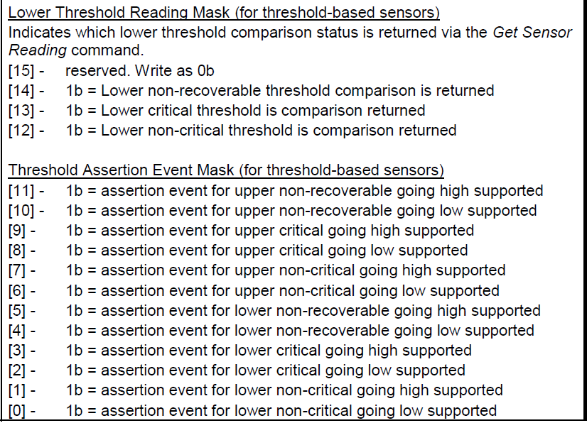
146A | Assertion event mask | 0b1010001101010 | reports which event generation is supported when the event is asserted
146A | deassertion event mask | as above | reports which event generation is supported when the event is de-asserted
3F3F | discrete reading mask | all are settable and readable | To be updated…
00 | sensor unit1, sensor value, 00: unsgined | unsigned
04 | sensor unit2, unit type code | volts | refer to Table 43- Sensor Unit Type Codes
00 | sensor unit3, usually unused | unused
00 | Linearization | linear | convert to desired sensor unit (such as temperature or voltage ) using a linear conversion formula. Refer to 36.3 Sensor Reading Conversion Formula
7F | M | Signed Integer Constant Multiplier M: LS 8 bits | M is composed of first 2 bits of "M, Tolerance" and 8 bits of "M" as a 10-bit 2's complement number. M=signed 2'c(0001111111)=dec(127) | 127
00 | M, Tolerance | [7:6] - M: MS 2 bits | First 2 bits: 00 is M's. Tolerance = 0
AC | B | Signed Additive Offset B: LS 8 bits | B is composed of first 2 bits of "B, Accuracy" and 8 bits of "B" as a 10-bit 2's complement number. B=signed 2'c(1010101100)=dec(-340) | -340
80 | B, Accuracy | [7:6] - B: MS 2 bits | First 2 bits: 10 is B's. Accuracy = 0
00 | Accuracy exp
CF | R exp, B exp | K2: signed result exponent, called R exp K1: signed exponent, called B exp | K2=signed 2'c(1100)=dec(-4) K1=signed 2'c(1111)=dec(-1)
07 | Analog characateristic flags
48 | Nominal Reading | 72 | Converted reading=> | y= | (127*72+(-340*10-1))*10-4 | 0.911
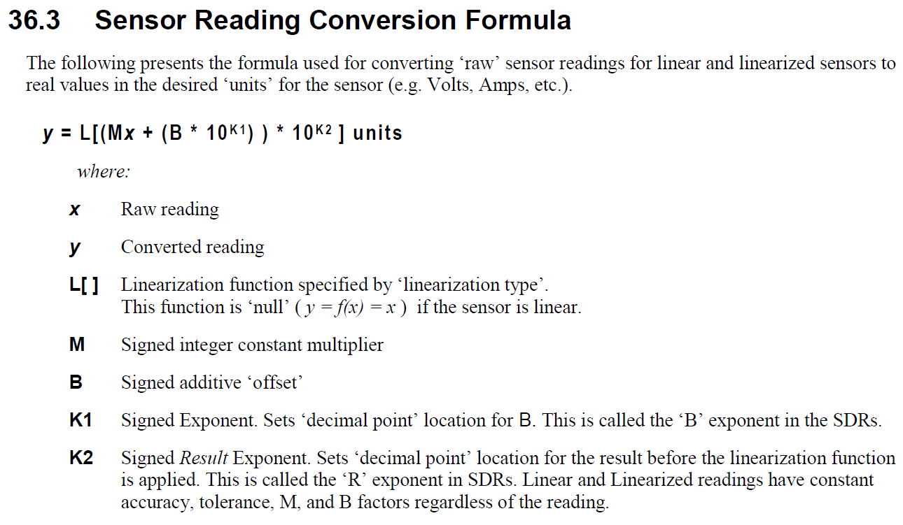
62 | Norminal Maximum | 98 | 1.2412
2F | Norminal Minimum | 47 | 0.5935
FF | sensor maximum reading | 255 | 3.2351
00 | sensor minimum reading | 0 | -0.0034
82 | upper non-recoverable threshold | 130 | 1.6476
76 | upper critical threshold | 118 | 1.4952
65 | upper non-critical threshold | 101 | 1.2793
18 | Lower non-recoverable threshold | 24 | 0.3014
1B | Lower critical threshold | 27 | 0.3395
2E | Lower non-critical thrshold | 46 | 0.5808
01 | Positive-going threshold hysteresis value | 1 | 0.0093
01 | Negative-going threshold hysteresis value | 1 | 0.0093
00 | reserved
00 | reserved
00 | OEM
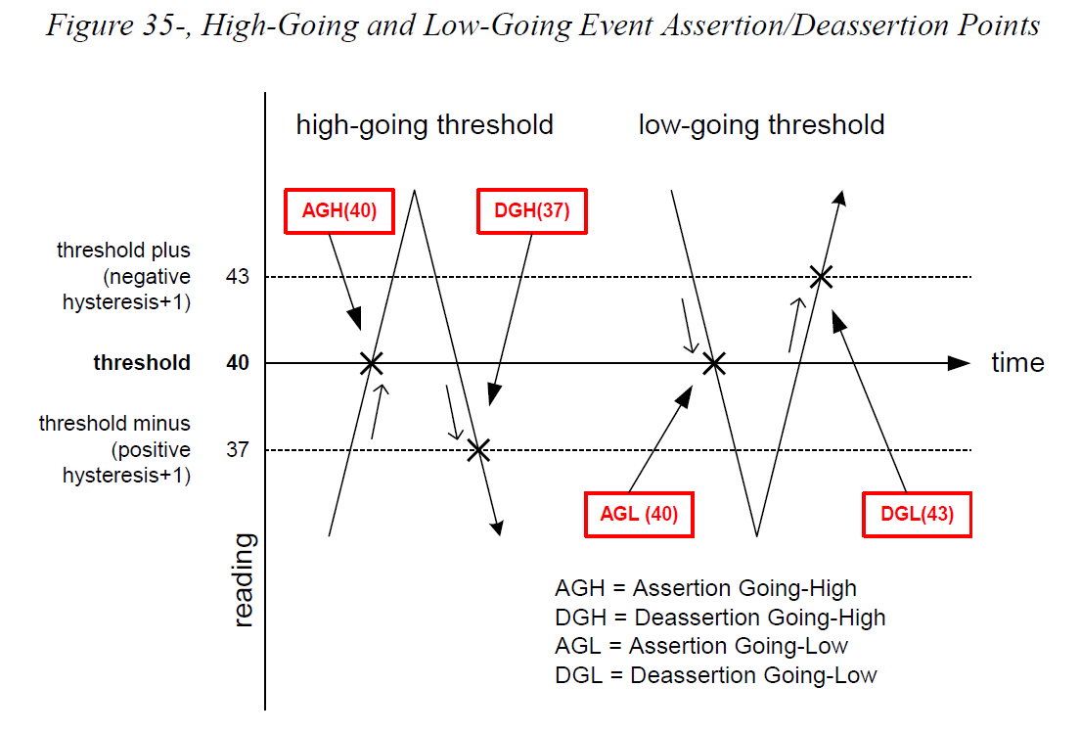
C5 | IS string type
Vcpu1 | ID string
Record_End
Request Threshold
81 | upper non-recoverable threshold | 129.4015748 | 1.64
76 | upper critical threshold | 118.37795276 | 1.5
17 | Lower non-recoverable threshold | 23.88976378 | 0.3
1B | Lower critical threshold | 27.039370079 | 0.34

compare other
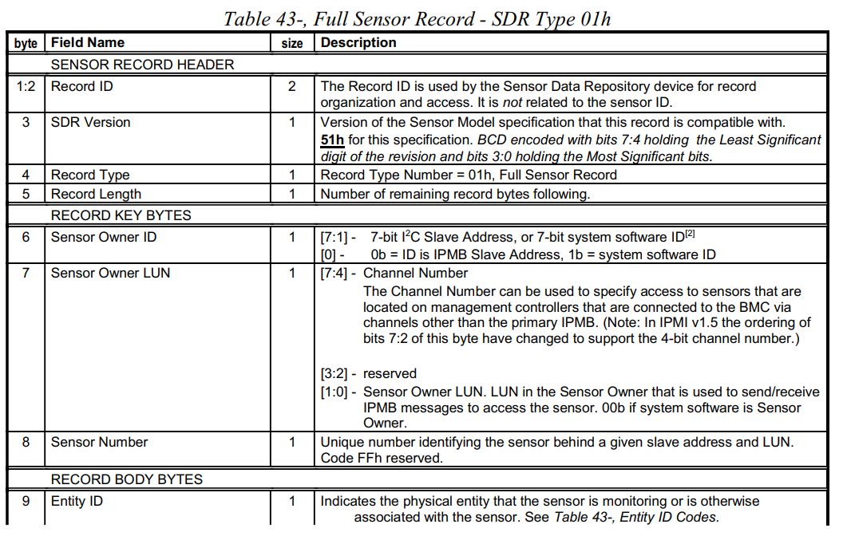
Record_Start | Record_Start | Record_Start
0B00 | 900 | 100 | SDR record ID | https://www.intel.com.tw/content/www/tw/zh/products/docs/servers/ipmi/ipmi-second-gen-interface-spec-v2-rev1-1.html
51 | 51 | 51 | SDR version always 51h
1 | 1 | 1 | record type, 01: full sensor record
36 | 35 | 33 | record length
20 | 20 | 20 | sensor owner ID
0 | 0 | 0 | sensor owner LUN
0B | 9 | 1 | sensor number
7 | 7 | 3 | Entity ID
1 | 0 | 1 | entity Instance
7D | 7D | 7F | Sensor Initialization, a bit map
68 | 68 | 68 | sensor capability
1 | 1 | 1 | sensor type, 02h: voltage type
1 | 1 | 1 | event / reading type code
147A | 042A | 0 | Assertion event mask
147A | 046A | 0 | deassertion event mask
3F3F | 3F3F | 3F3F | discrete reading mask
80 | 80 | 80 | sensor unit1, sensor value, 00: unsgined
1 | 1 | 1 | sensor unit2, unit type code
0 | 0 | 0 | sensor unit3, usually unused
0 | 0 | 0 | Linearization
1 | 1 | 1 | M
0 | 0 | 0 | M, Tolerance
0 | 0 | 0 | B
0 | 0 | 0 | B, Accuracy
0 | 0 | 0 | Accuracy exp
0 | 0 | 0 | R exp, B exp
7 | 7 | 7 | Analog characateristic flags
1E | 14 | 28 | Nominal Reading
4A | 2C | 59 | Norminal Maximum
FC | FC | FC | Norminal Minimum
7F | 7F | 7F | sensor maximum reading
80 | 80 | 80 | sensor minimum reading
5A | 37 | 5A | upper non-recoverable threshold
55 | 32 | 5A | upper critical threshold
50 | 2D | 55 | upper non-critical threshold
5 | 5 | 5 | Lower non-recoverable threshold
5 | 5 | 5 | Lower critical threshold
0A | 0A | 0A | Lower non-critical thrshold
2 | 2 | 2 | Positive-going threshold hysteresis value
2 | 2 | 2 | Negative-going threshold hysteresis value
0 | 0 | 0 | reserved
0 | 0 | 0 | reserved
0 | 0 | 0 | OEM
CB | CA | C8 | IS string type
System Temp | Inlet Temp | CPU Temp | ID string
Record_End | Record_End | Record_End

cpu threshold
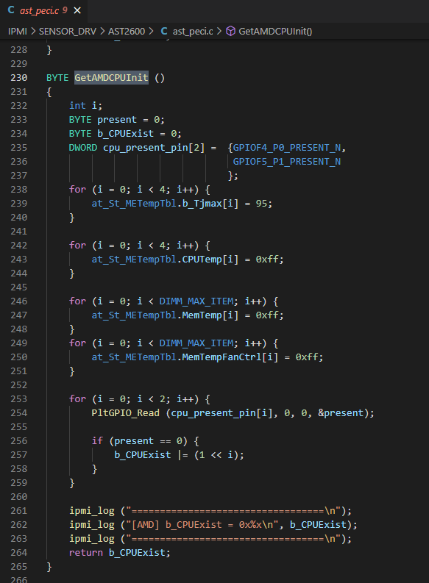
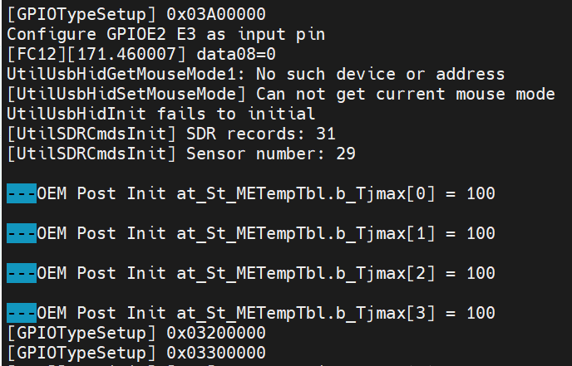

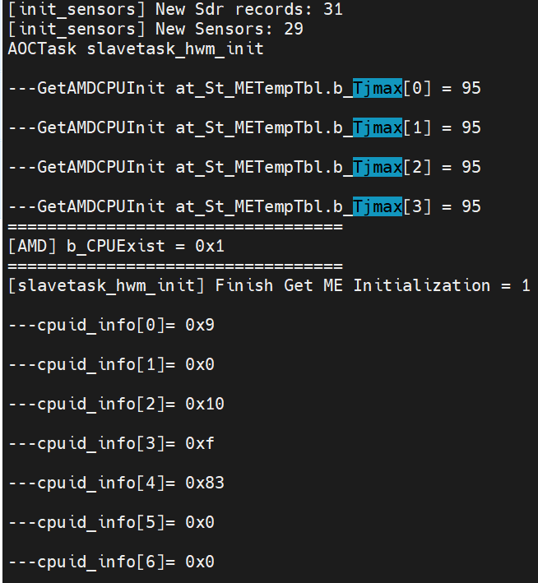

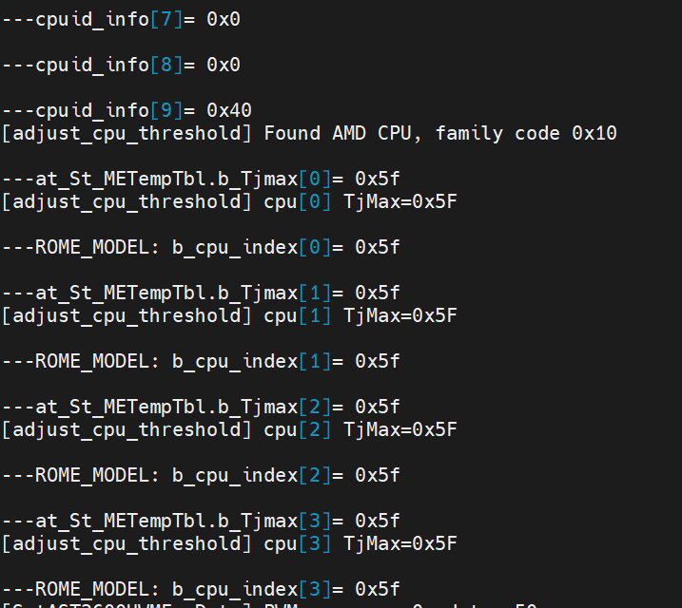

Modify LibChassis.c to set b_cpu_index[i]=0x5A depend on AMD CPU MODEL
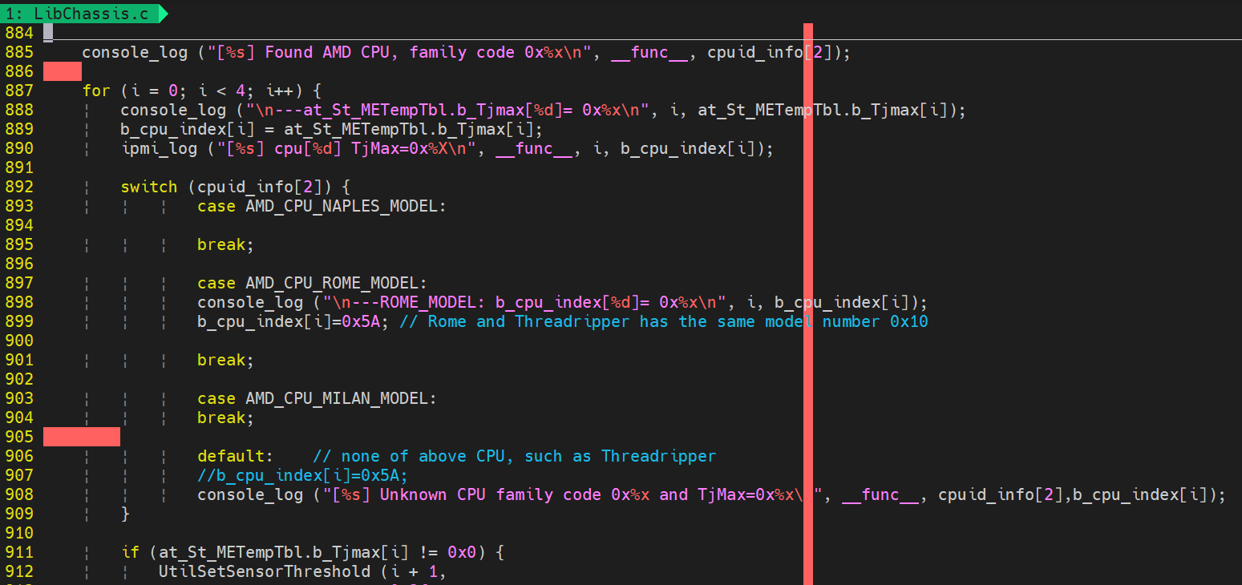

Milan | Family Code 0x11 | Threadripper | Family Code 0x10 |  |  | Rome | Family Code 0x10
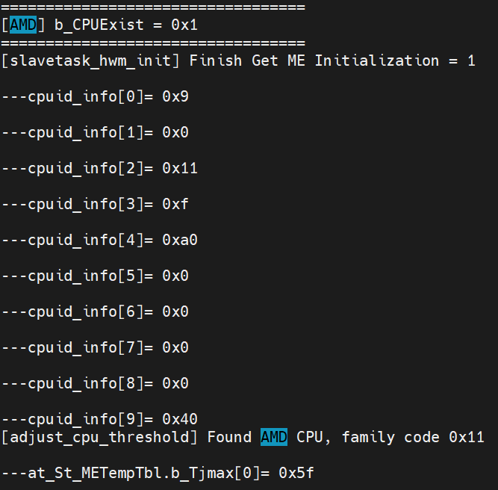
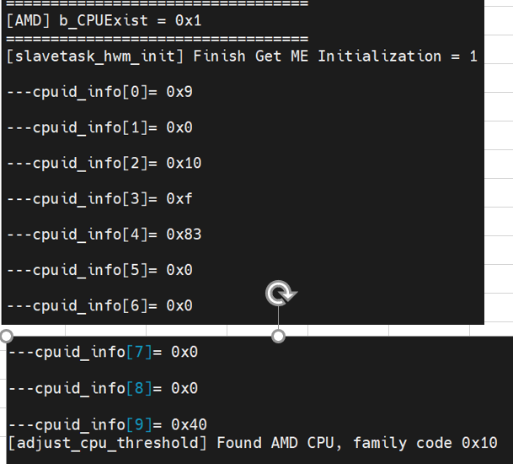
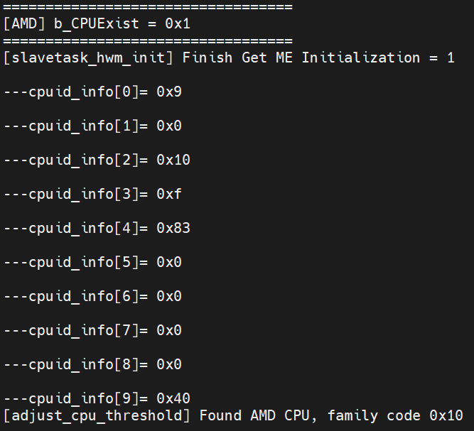

[GetAMDCPUModel] AMD Ryzen Threadripper PRO 3955WX 16-Cores |  |  |  | [GetAMDCPUModel] AMD EPYC 7542 32-Core Processor
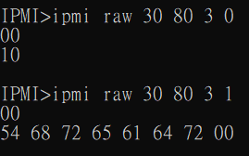
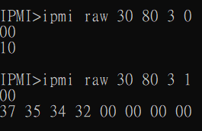

ASCII | Threadr |  |  | ASCII | 7542

called function |  |  |  |  |  | may add it here
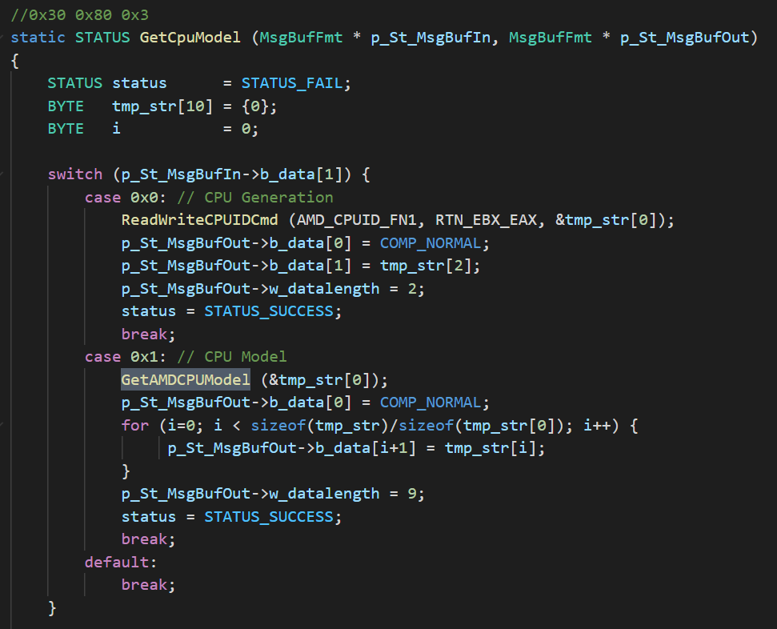
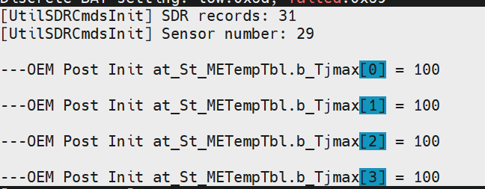

[GetAMDCPUModel] AMD Ryzen Threadripper PRO 3955WX 16-Cores

sol test
SOL Test>>
 | i. activate sol via smic_ipmitool
Failed | sol activate -> no window shown up and press F12 can not exit
 | require jcurses-windows-0.9.5b

Failed | sol window ->
 | sol only can read.

 | ii. activate sol via web
Failed | Launch SOL -> have problem to run launch.jnlp file
 | can run by cmd>> |  | C:\Program Files\Java\jre1.8.0_291\bin>javaws.exe C:\Users\maxt\Downloads\launch.jnlp
 | or change default program>> |  |  | .jnlp ----- Java but require Admin
 | Can read but can not type in sol
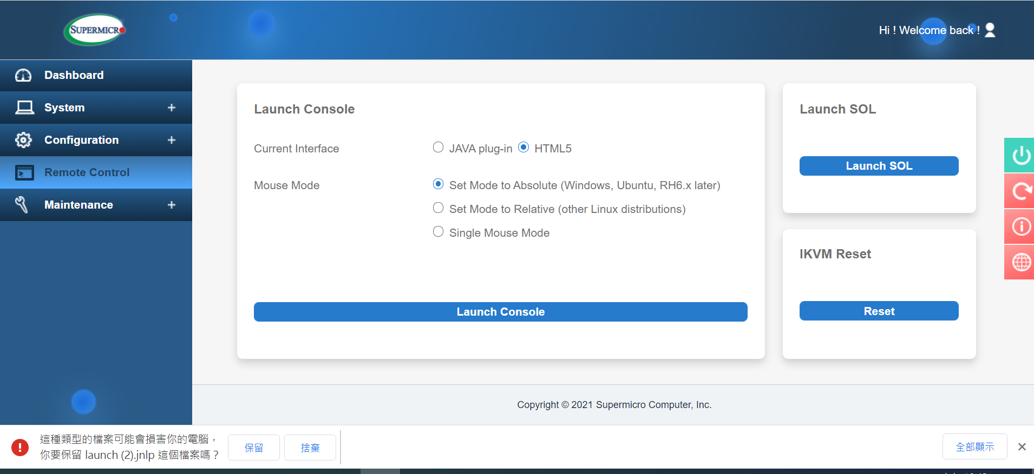
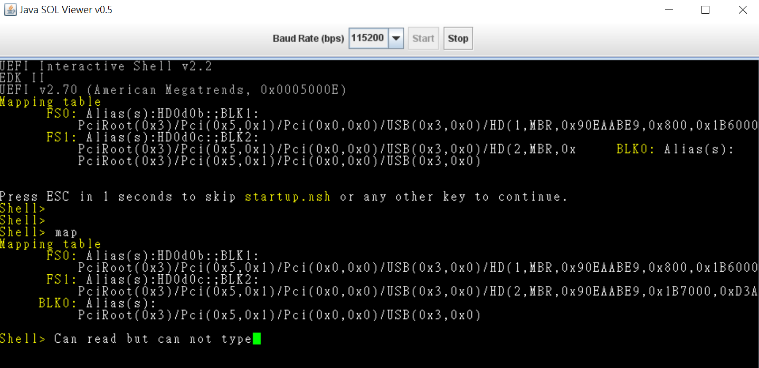

 | iii. activate via smach |  |  | SSH based SOL
Pass | ssh to BMC and go to /system1/sol1 -> start
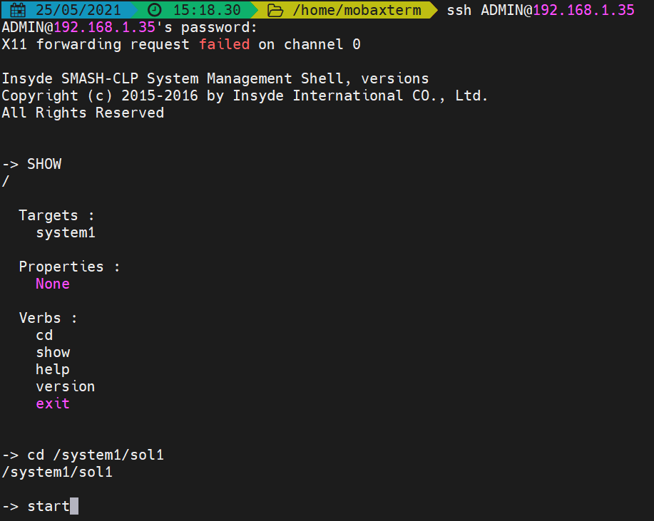

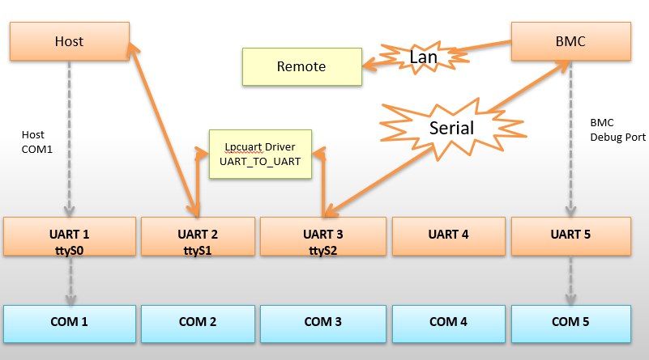
 |  |  |  |  |  |  |  |  |  | aiom-uart4

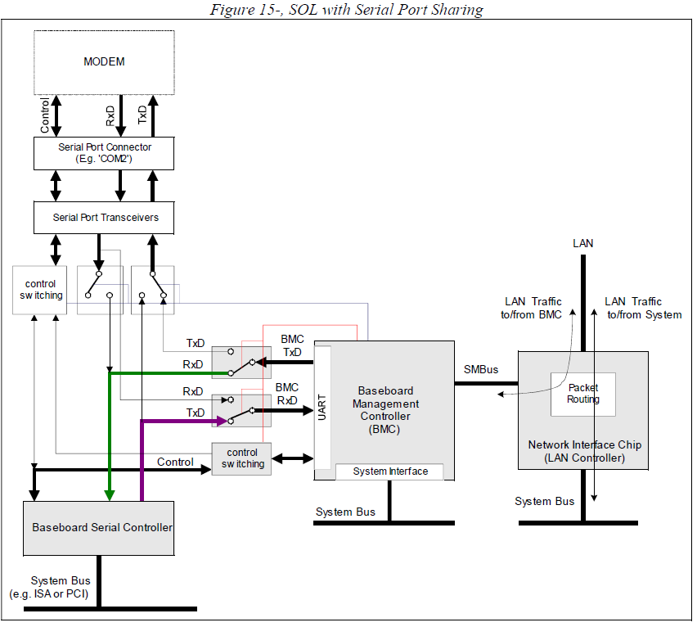
?? | 1. (Untested) Reroute UART5 to COM1 by configuring HICRA to 0x10001000 (with an update mask of 0x70007000) in u-boot and Linux.

 |  |  | UART 1 | 1e783000 |  |  |  |  |  | TX - RX
 |  |  | UART 2 | 1e78d000 |  |  |  |  |  | GN - Gn
 |  |  | UART 3 | 1e78e000 | JUART2 |  |  |  |  | RX - TX
 |  |  | UART 4 | 1e78f000
/dev/ttyS0 | uart4 |  | UART 5 | 1e784000 | BMC Debug Port |  | fw console only |  | rework to COM1

 |  |  | VUART0 | 1e787000 |  | COM: Enable port1 and port2, disable port3 and port4
 |  |  | VUART1 | 1e788000 |  | In: serial@1e784000
 |  |  | VUART2 | 1e787800 |  | Out: serial@1e784000
 |  |  | VUART3 | 1e788800 |  | console=ttyS4,115200n8
UART_Init
 | PltUartInit
 |  | PltUART_SetSerialPortMode
 |  |  | OEMGetSetSOLMode
 |  |  | if (b_SerialMode == 1) { //Com2
 |  |  | UtilDisableHWSOL (); |  | --------call---------> |  | PltDisableHWSOL |  | //[18:16]=0, IO1 -> UART1
 |  |  | } |  |  |  |  |  | //[21:19]=0, IO2 -> UART2
 |  |  | else if (b_SerialMode == 3) { |  |  |  |  |  | //[24:22]=0, IO3 -> UART3
 |  |  | UtilEnableHWSOL (); |  | --------call---------> |  | UtilEnableHWSOLCOM2
 |  |  | } |  |  |  |  | PltUART_EnableHWSOLCOM2
 |  |  |  |  |  |  |  |  |  |  | // [21:19]=100'b, UART3 -> UART2
 |  |  |  |  |  |  |  |  |  |  | // [24:22]=110'b, UART2 -> UART3
 | at_a_St_SOLInfo[SOL_LOGICAL_CHANNEL_NO].s_ChanlInitData.b_HardWarePhysicalChanl

 | PltUART_EnableHWSOLCOM1 |  |  |  | --------->
 |  | // [18:16]=101'b, UART3 -> UART1
 |  | // [22:24]=101'b, UART1 -> UART3
 |  | *hic_reg = (data32 & 0xfe00ffff) | 0x01450000;

 | PltUART_EnableHWSOLCOM2 |  |  |  | ---------> | b_SerialMode=3 |  |  |  | // - Route UART3 to UART2
 |  | // [21:19]=100'b, UART3 -> UART2 |  |  |  |  |  |  |  | // TODO(bluecmd): Platform dependent
 |  | // [24:22]=110'b, UART2 -> UART3 |  |  |  |  |  |  |  | p.a.Mem().MustWrite32(0x1E789000+0x9c, 0x6<<22|0x4<<19)
 |  | *hic_reg = (data32 & 0xfe00ffff) | 0x01a00000;

 | PltDisableHWSOL |  |  |  | ---------> | b_SerialMode=1
 |  | //Rollback UART routings
 |  | hic_reg = (DWORD *)(hic_base + (HICRA_ADDR & MAP_MASK));
 |  | data32 = *hic_reg;
 |  | // clear 16-24 bits
 |  | //[18:16]=0, IO1 -> UART1
 |  | //[21:19]=0, IO2 -> UART2
 |  | //[24:22]=0, IO3 -> UART3
 |  | *(DWORD *)hic_reg = data32 & 0xfe00ffff;

 | HICRA_ADDR
 | 0x1E78909C
 | // map HIC registers
 | hic_base = mmap(0, MAP_SIZE, PROT_READ | PROT_WRITE, MAP_SHARED, reg_fd, HICRA_ADDR & ~MAP_MASK );

Flow>>
 | UART.c |  | channel 2
 |  | main()
 |  |  | smash : pthread_create (&a_t, NULL, sol_ssh, NULL)
 |  |  | while(1) : Recv_From_UART (b_LogicalChNo, b_UARTChnlInfoIndex, b_buf);
 |  |  |  |  | while (1) : PltUART_Read (b_PhysicalChNo, b_Buffer, &b_ReadSize);
 |  |  |  |  |  | while (length) PltUART_Write (b_PhysicalChNo, s_newline, &b_WriteSize);

2600 Design Guide>>

UART1 - UART4 controllers can be directed to any one of the first 4 UART IO interfaces
TXD[4:1]/RXD[4:1] pin and check the internal UART routing on next section.

The first 2 UART controllers (UART1,UART2) are default assigned to Host System as SuperIO COM port function.
UART3 and UART4 can be manually assigned to Host system as COM port function by the system BIOS.
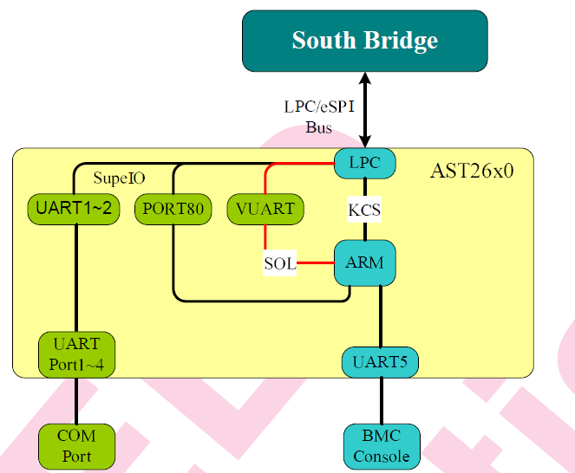
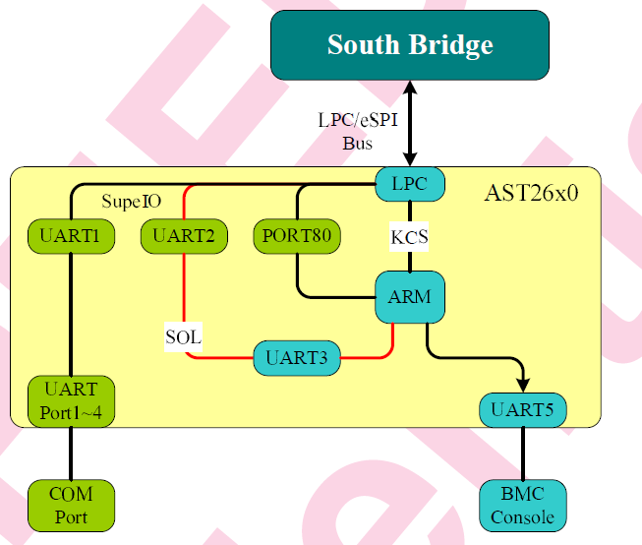
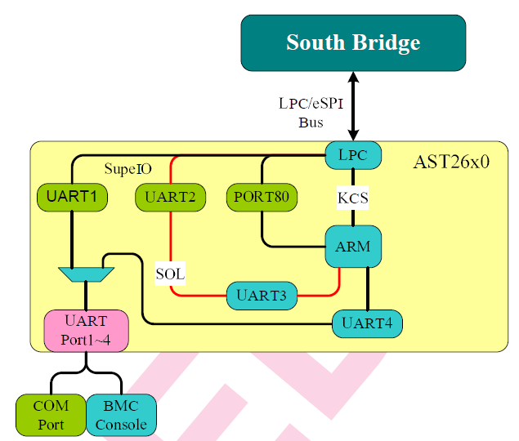
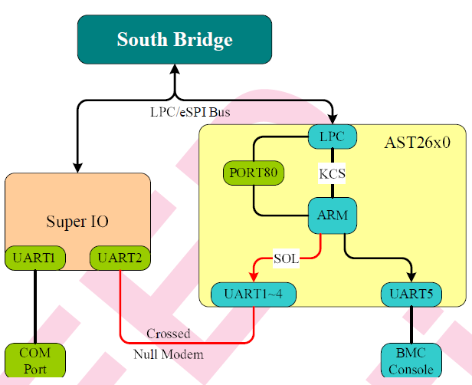
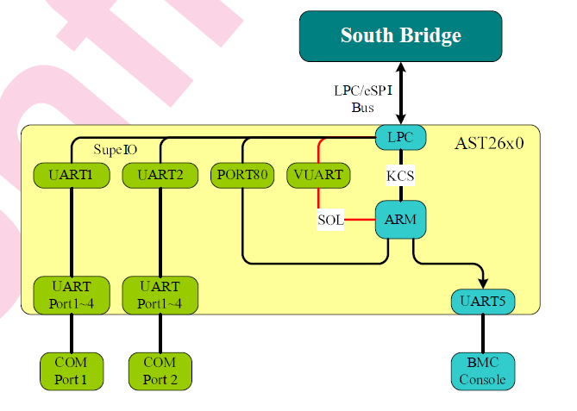
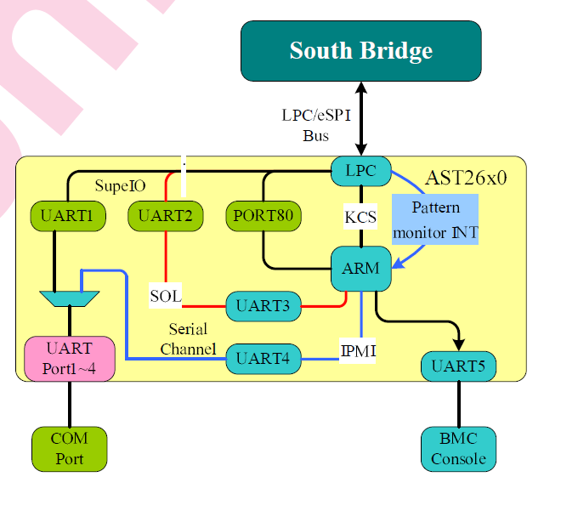

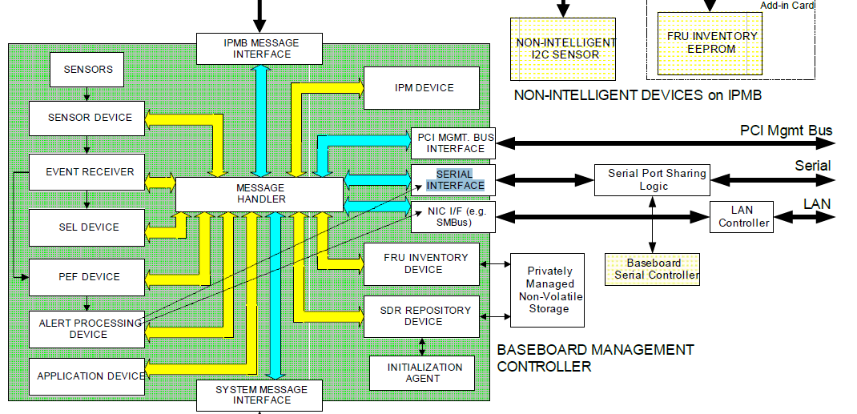

Step:
1 | Connect the cable
 |  |  |  | SSW_AN6 | - | Card
 |  |  |  | BMC_RXD3 | - | Card_RX
 |  |  |  | BMC_GND | - | Card_GND
 |  |  |  | BMC_TXD3 | - | Card_TX

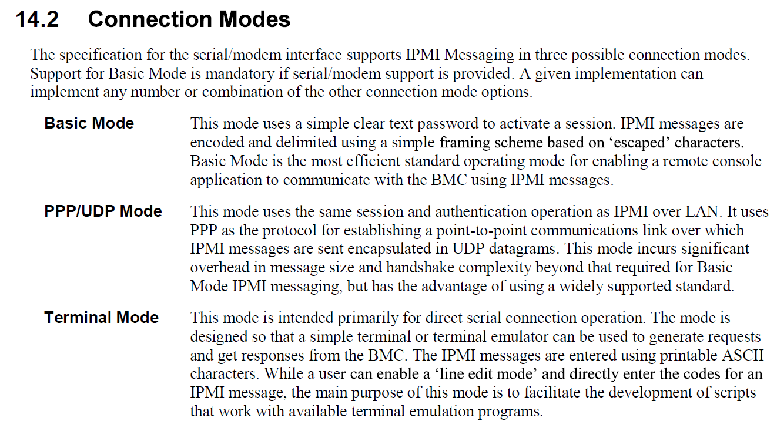
2 | Run OEM Command: OEMGetSetSOLMode , set it to 1
 | java -jar SMCIPMITool.jar 192.168.1.33 ADMIN ADMIN ipmi raw 30 70 6 1

3 | Run SOL

4 | Console in SOL

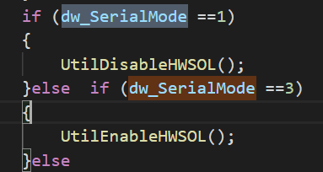

Note | Switch it back to COM2 as SOL = > |  |  |  | Run OEM Command: OEMGetSetSOLMode , set it to 3
 | java -jar SMCIPMITool.jar 192.168.1.33 ADMIN ADMIN ipmi raw 30 70 6 3

temperature sensor
byte | Record_Start | Record_Start | Record_Start
1:02:00 | 0B00 | 900 | 100 | SDR record ID |  |  |  | https://www.intel.com.tw/content/www/tw/zh/products/docs/servers/ipmi/ipmi-second-gen-interface-spec-v2-rev1-1.html
3 | 51 | 51 | 51 | SDR version always 51h
4 | 1 | 1 | 1 | record type, 01: full sensor record
5 | 36 | 35 | 33 | record length
6 | 20 | 20 | 20 | sensor owner ID
7 | 0 | 0 | 0 | sensor owner LUN
8 | 0B | 9 | 1 | sensor number
9 | 7 | 7 | 3 | Entity ID |  | 可重複
10 | 1 | 0 | 1 | entity Instance |  | 不能重複
11 | 7D | 7D | 7F | Sensor Initialization, a bit map
12 | 68 | 68 | 68 | sensor capability
13 | 1 | 1 | 1 | sensor type, 02h: voltage type
14 | 1 | 1 | 1 | event / reading type code
15:16:00 | 147A | 042A | 0 | Assertion event mask
17:18:00 | 147A | 046A | 0 | deassertion event mask
19:20:00 | 3F3F | 3F3F | 3F3F | discrete reading mask
21 | 80 | 80 | 80 | sensor unit1, sensor value, 00: unsgined
22 | 1 | 1 | 1 | sensor unit2, unit type code
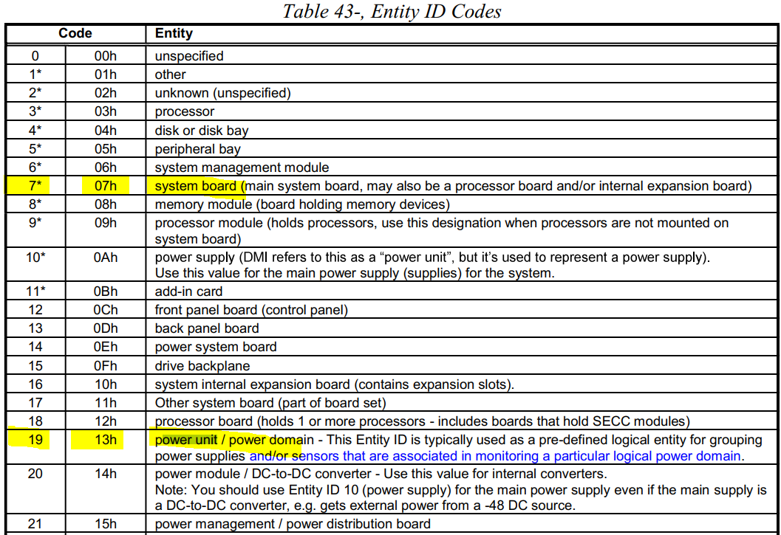
23 | 0 | 0 | 0 | sensor unit3, usually unused
24 | 0 | 0 | 0 | Linearization
25 | 1 | 1 | 1 | M
26 | 0 | 0 | 0 | M, Tolerance
27 | 0 | 0 | 0 | B
28 | 0 | 0 | 0 | B, Accuracy
29 | 0 | 0 | 0 | Accuracy exp
30 | 0 | 0 | 0 | R exp, B exp
31 | 7 | 7 | 7 | Analog characateristic flags
32 | 1E | 14 | 28 | Nominal Reading
33 | 4A | 2C | 59 | Norminal Maximum
34 | FC | FC | FC | Norminal Minimum
35 | 7F | 7F | 7F | sensor maximum reading
36 | 80 | 80 | 80 | sensor minimum reading
37 | 5A | 37 | 5A | upper non-recoverable threshold
38 | 55 | 32 | 5A | upper critical threshold
39 | 50 | 2D | 55 | upper non-critical threshold
40 | 5 | 5 | 5 | Lower non-recoverable threshold
41 | 5 | 5 | 5 | Lower critical threshold
42 | 0A | 0A | 0A | Lower non-critical thrshold
43 | 2 | 2 | 2 | Positive-going threshold hysteresis value
44 | 2 | 2 | 2 | Negative-going threshold hysteresis value
45 | 0 | 0 | 0 | reserved
46 | 0 | 0 | 0 | reserved
47 | 0 | 0 | 0 | OEM
48 | CB | CA | C8 | ID string type/len |  | 長度看 byte 1
49 | System Temp | Inlet Temp | CPU Temp | ID string |  | 不能超過16 bytes 含空格
 | Record_End | Record_End | Record_End
 |  |  |  | C | 1100 | 8 | 1000
string length | B | A | 8 | D | 1101 | A | 1010
 | 11 | 10 | 8 | E | 1110 | B | 1011
 |  |  |  | F | 1111 | E | 1110
49 | s | i | c |  | 16 | 10000
50 | y | n | p
51 | s | l | u
52 | t | e
53 | e | t | t
54 | m |  | e
55 |  | t | m
56 | t | e | p
57 | e | m
58 | m | p
59 | p

record length | 59-6+1=54 | 58-6+1=53 | 56-6+1=51
 | 0x36 | 0x35 | 0x33

M.2 channel
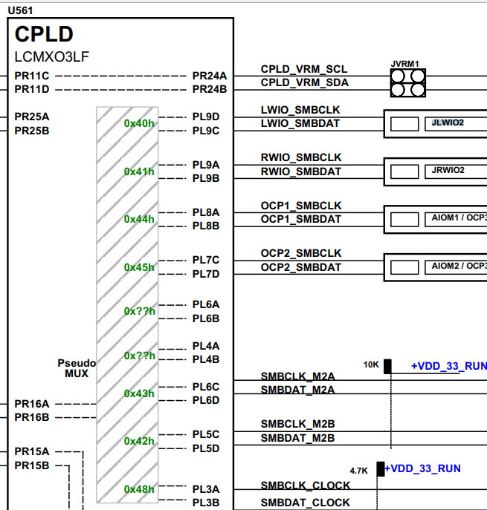
H12SSW | BMC_SYS_SCL/SDA I2C3 | CPLD Psedu Mux | Mux channel-0x40h | Mux channel-0x41h | Mux channel-0x44h | Mux channel-0x45h | Mux channel-0x43h | Mux channel-0x42h | Mux channel-0x48h
 |  | (0x70) | LWIO_SMBCLK/SDA | RWIO_SMBCLK/SDA | OCP1_SMBCLK/SDA | OCP2_SMBCLK/SDA | SMBCLK/SDA_M2A | SMBCLK/SDA_M2B | SMBCLK_CLOCK
 |  |  |  |  |  |  | PCA9306 (U55) | PCA9306 (U24) | ClockDriver CDCB2000 (4 devices)
 |  |  | PCIe Slot - Riser - GPU GPU Slave Addr: 4Fh | PCIe Slot - Riser - GPU | AIOM 1 | AIOM 2 | M.2 1 (J19) | M.2 1 (J17) | U33(0xD8), U67(0xDE), U74(0xCA), U22(0xCE)

ipmitool -I lanplus -U ADMIN -P ADMIN -H 172.31.32.163 raw 0x30 0xC1 0x0 0x1 0x0 0x2 0x0 0x0 0x80
ipmitool -I lanplus -U ADMIN -P ADMIN -H 172.31.32.163 raw 0x30 0xC1 0x0 0x1 0x0 0x1 0x0 0x0 0x80
OEMSMBPBICmd type index readcount input
type: 0 not used
index : 0 based gpu sensor number
readcount: 0 |  | // not used
input: 1 0 0 0x80 |  | // 1 get cap |  | 1f 01 00 03 16 | 1f Success; | 16 03 00 01 1f | 16030001 Dword | 0:00:00
input: 2 0 0 0x80 |  | // 2 get temp 0 GPU 0 |  | 1f 00 1b 00 00 | 1f Success; | 00 00 1b 00 1f | 00001FXX 1F | 31 degree C

SendSMBPBICommand (b_channel, input, output, b_readcount)
b_channel = PltSystemBusNo; |  |  | // 3 ( 1-based)
output[MAX_GPU_INFO_SIZE+1] = {0}; |  |  | // MAX_GPU_INFO_SIZE = 64
b_readcount = 5;

WriteCommandRegister (0, b_channel, I2C_W_BUF, check)
I2C_W_BUF: 0x5C 0x04 0 1 0 0 |  |  | // input 0 1 0 0 | opcode 0 arg1 1
ReadRegister (0, b_channel, CODE_COMMAND, I2C_R_BUF, check)
CODE_COMMAND = 0x5C |  |  |  | GPU SMBus Post Box Reg. Address - Command/Status

ReadAOCM2Drv
NVMeI2CCPLDCmd (I2C_W_BUF, I2C_R_BUF, 1, 32, ch, 0xd4)
NVMeI2CCPLDCmd(BYTE *p_WBuf, BYTE *p_RBuf, const BYTE WriteLen, const BYTE ReadLen,const St_NVMe_I2CChannel info,const BYTE slaveaddr)

BMC |  | G3 | SAS Connector | CPLD |  | CPU
BMC_NVME_SCL/SDA |  | RX3P/N | INTEL_VPP_SCL/SDA | PR19C/D | P0_HP_SMBUS_CLK/DATA | I2C0_SCL/SDA

MUX_PCA9544(PltSystemBusNo, dev_addr, slot - 1);
BYTE dev_addr = 0xE0;

sdr repo
SDRBlock.XXX bin file
Sensor Data Records are kept in a single, centralized non-volatile storage area that is managed by the BMC.
This storage is called the Sensor Data Record Repository (SDR Repository).

There are two possible writable SDR Repository implementations: modal and non-modal. A non-modal SDR
Repository can be written to at any time. Writing to the SDR does not impact the operation of other commands in
the management controller.
A modal SDR Repository is only updated when the controller is in an SDR Repository update mode.
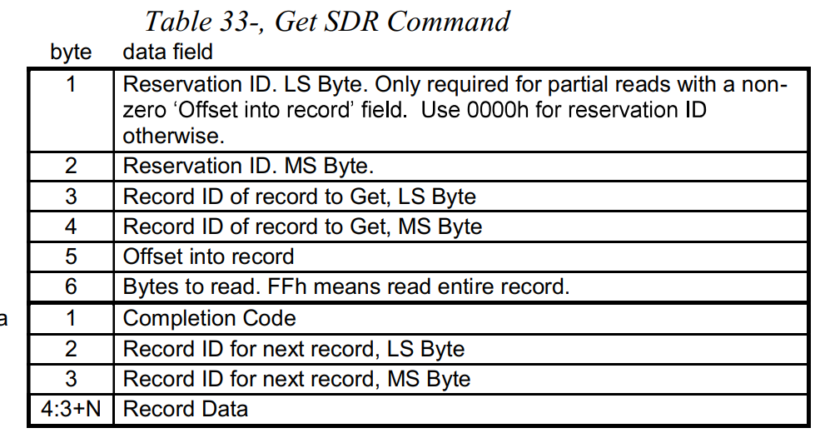

first sdr | 04 00
last sdr | 21 08
offset | 0x43
total sdr | 32

get sdr | raw 0x0a 0x23 0 0 0x21 0x08 0 0xff

add sdr | raw 0x0a 0x24 0x64 0x08 0x51 0x01 0x33 0x20 00 0xe1 0x13 01 0x7f 0x68 0x08 01 04 0x22 04 0x22 0x3f 0x3f 0x80 01 00 00 01 00 00 00 00 00 07 0x28 0x59 0xfc 0x7f 0x80 0x5f 0x5f 0x5a 05 05 0x0a 02 02 00 00 00 0xc8 0x43 0x50 0x55 0x20 0x54 0x65 0x6d 0x70
 | sensor number: 0xe1
 | sensor name: CPU Temp
 | sensor type: 0x08

fake sensor value |  | raw 0x30 0x70 0x3b 0x01 0xe1 0x01 0x00
 | set 0xe1 value 0x01 0x00

heatbeatled
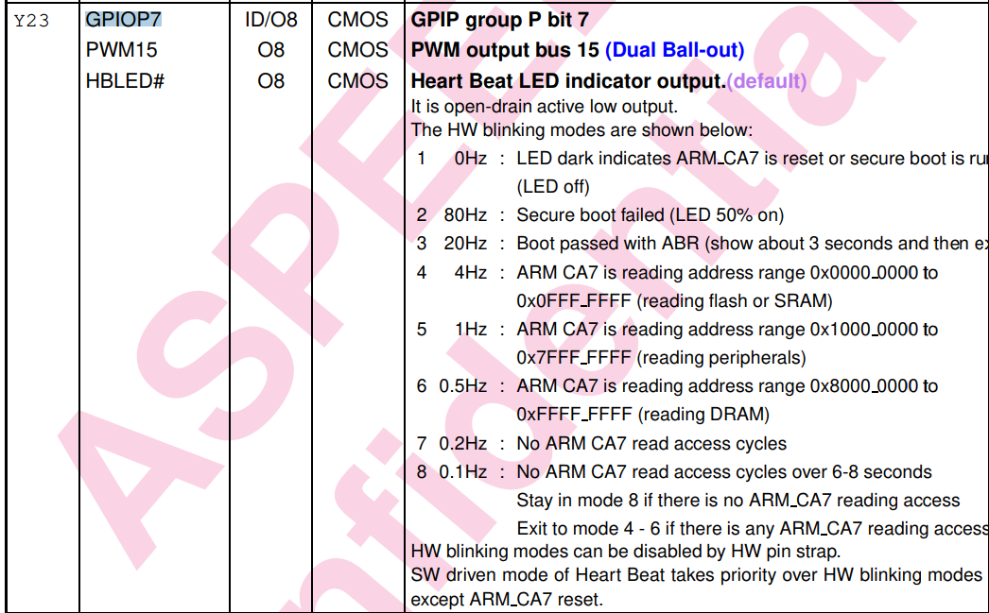

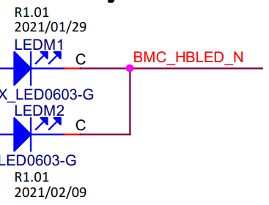

void PltHeartBeatLED () | PltGPIO_Write (GPIOD7_HEARTBEAT_N, 0, 0, &heartbeat_value); |  |  |  | #define GPIOD7_HEARTBEAT_N 0x03700000

STATUS PltGPIO_Write(
DWORD dw_HWInfo_1, | 0x03700000
DWORD dw_HWInfo_2, | 0
void *p_HWInfoPtr, | 0
void *p_DataBuf | heartbeat_value
)

chip_no = gpio_chip_idx (dw_HWInfo_1); |  | return 0
chip_no=0

chip = gpiod_chip_open_by_number (chip_no); |  | return uint chip_no |  | 55

line_no = gpio_line_idx (dw_HWInfo_1); |  | GPIO_NUM_FROM_HWINFO (dw_HWInfo_1); |  |  |  | #define GPIO_NUM_FROM_HWINFO(n) ((n & GPIO_PORT_PIN_MASK) >> 20)
line_no=0x37 |  | (dw_HWInfo_1 & 0xFFF00000) >> 20 |  |  |  | #define GPIO_PORT_PIN_MASK 0xFFF00000
 |  | 0x 0370 0000 &
 |  | 0x FFF0 0000 =
 |  | 0x 0370 0000 | >> 20 = | 0x37

ret = gpiod_line_request_output (line, __func__, 0); |  | set line to output mode

gpiod_line_set_value (line, *p_data) |  | set high/low

5VSB-Sum
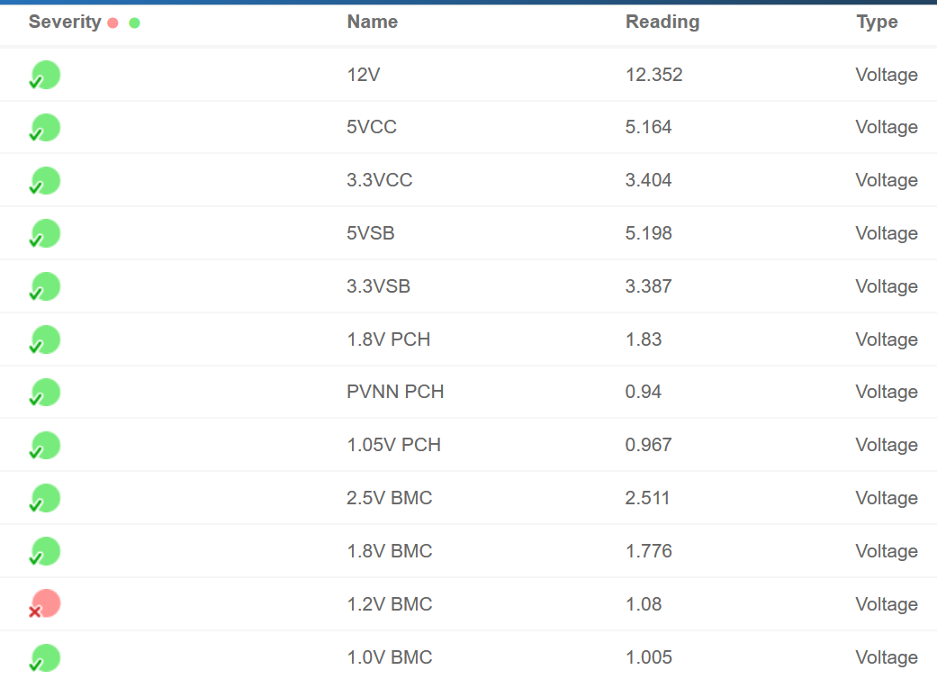
 | SSW_AN6 | X11DPG_OT | X12DPG_OA | X12DPG_OA6
21 | 0 | 0 | 0 | 0 | sensor unit1, sensor value, 00: unsgined
22 | 4 | 4 | 4 | 4 | sensor unit2, unit type code
23 | 0 | 0 | 0 | 0 | sensor unit3, usually unused
24 | 0 | 0 | 0 | 0 | Linearization |  | 30 | N/A | 12V
25 | 2A | 1E | 2A | 2E | M |  | 31 | N/A | 5VCC
26 | 0 | 0 | 0 | 0 | M, Tolerance |  | 32 | N/A | 3.3VCC
27 | 2E | 6E | 3B | 51 | B |  | 33 | VBAT | test point | snr reading | real voltage
28 | C0 | 0 | 40 | 0 | B, Accuracy |  | 34 | N/A | 5VSB
29 | 0 | 0 | 0 | 0 | Accuracy exp |  | 35 | N/A | 3.3VSB
30 | DF | D0 | DF | D0 | R exp, B exp |  | 36 | N/A | 1.8V PCH
31 | 7 | 7 | 7 | 7 | Analog characateristic flags |  | 37 | N/A | PVNN PCH
32 | 77 | A3 | 76 | 6D | Nominal Reading |  | 38 | N/A | 1.05V PCH
33 | 79 | AF | 82 | 70 | Norminal Maximum |  | 39 | N/A | 2.5V BMC
34 | 75 | 93 | 6B | 69 | Norminal Minimum |  | 3A | N/A | 1.8V BMC
35 | FF | FF | FF | FF | sensor maximum reading |  | 3B | N/A | 1.2V BMC
36 | 0 | 0 | 0 | 0 | sensor minimum reading |  | 3C | N/A | 1.0V BMC
37 | 83 | B7 | 83 | 79 | upper non-recoverable threshold
38 | 83 | B5 | 83 | 78 | upper critical threshold
39 | 7D | B0 | 83 | 71 | upper non-critical threshold
40 | 6B | 8A | 6A | 60 | Lower non-recoverable threshold
41 | 6B | 8B | 6A | 61 | Lower critical threshold
42 | 71 | 92 | 6A | 68 | Lower non-critical thrshold
43 | 1 | 1 | 1 | 1 | Positive-going threshold hysteresis value
44 | 1 | 1 | 1 | 1 | Negative-going threshold hysteresis value

原 SDR: X12DPG_OA6 |  |  |  |  |  | 調整後 ( 5VSB/3.3VSB/1.8VPCH/2.5VBMC) 套用 X12DPG_OA SDR

